Ballmap - BGA
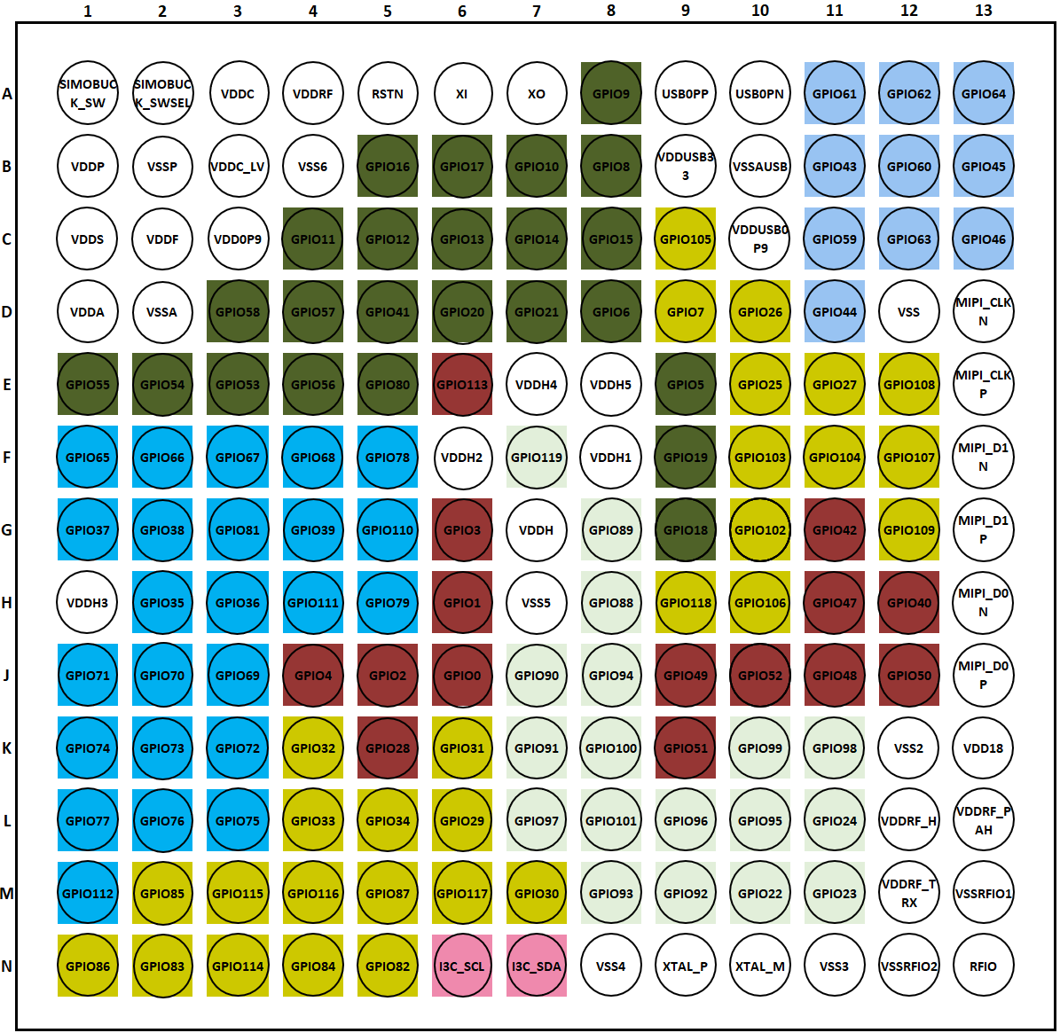

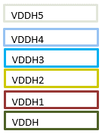
Apollo510L BGA | Apollo330P BGA

Ballmap - CSP
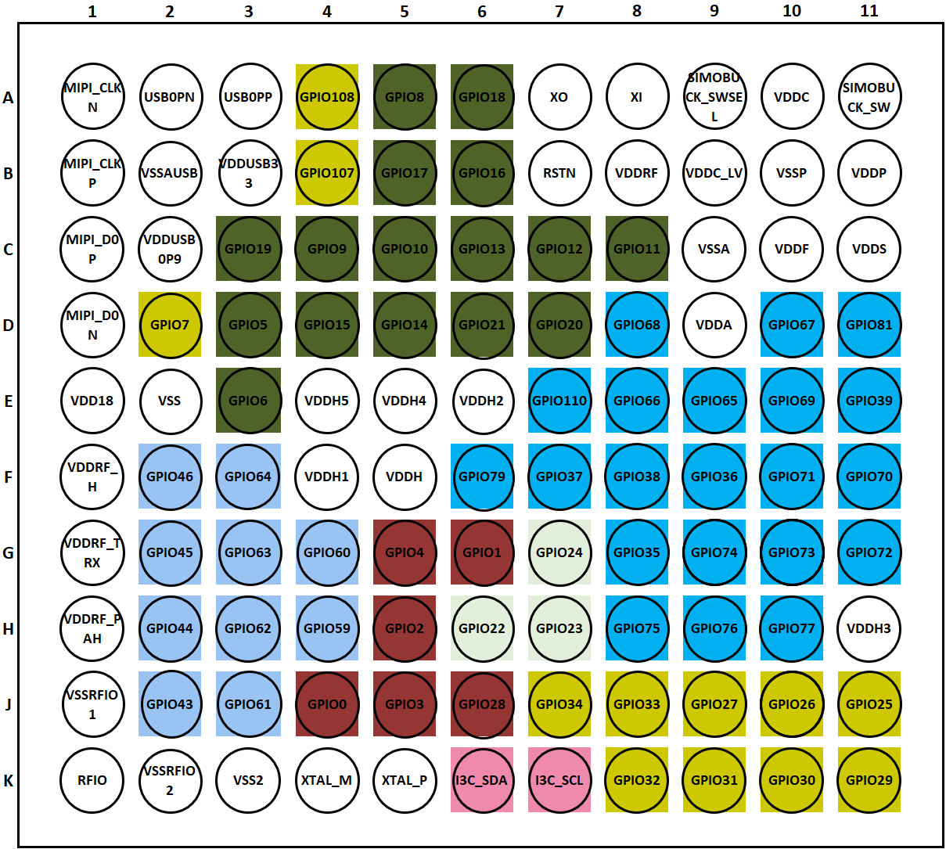
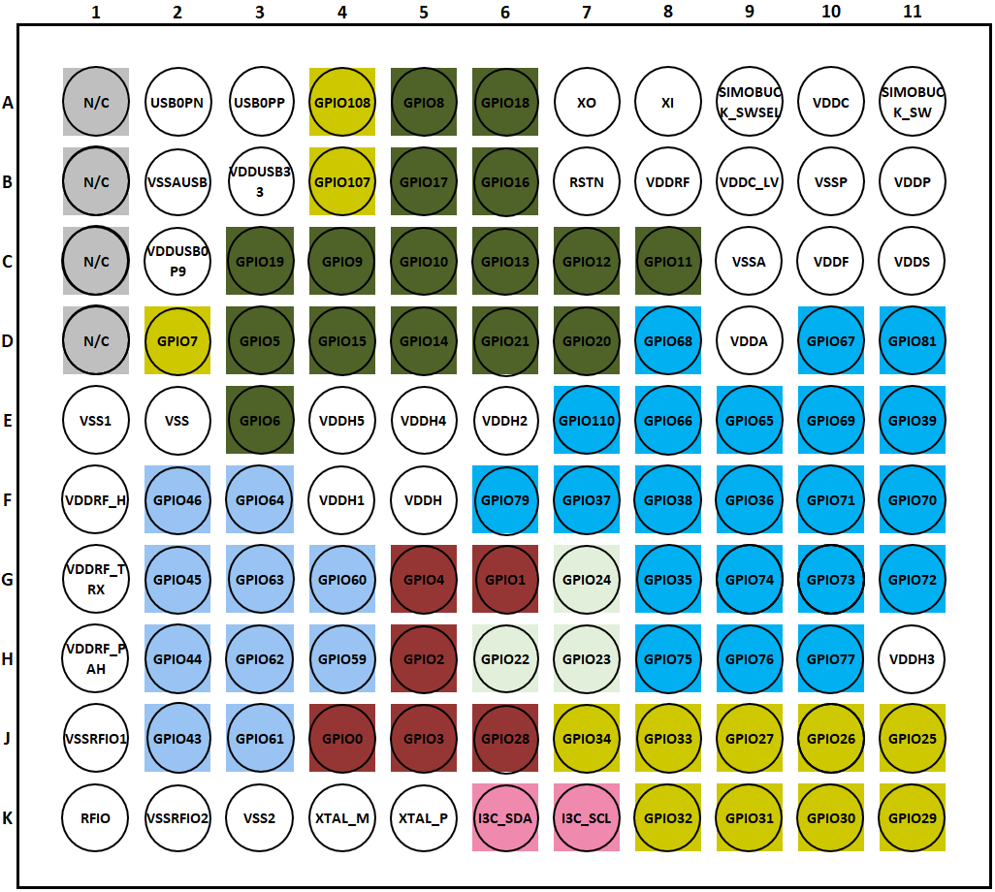
Apollo510L CSP | Apollo330P CSP

