Ballmap - BGA
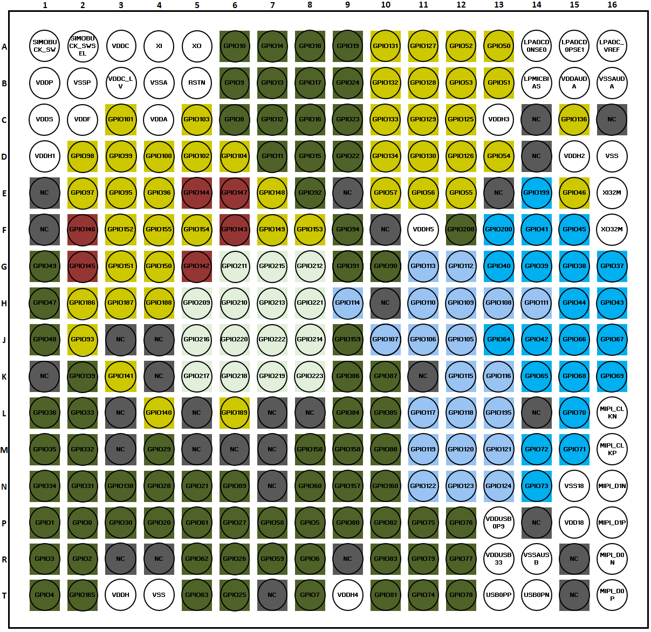

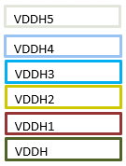

Ballmap - CSP
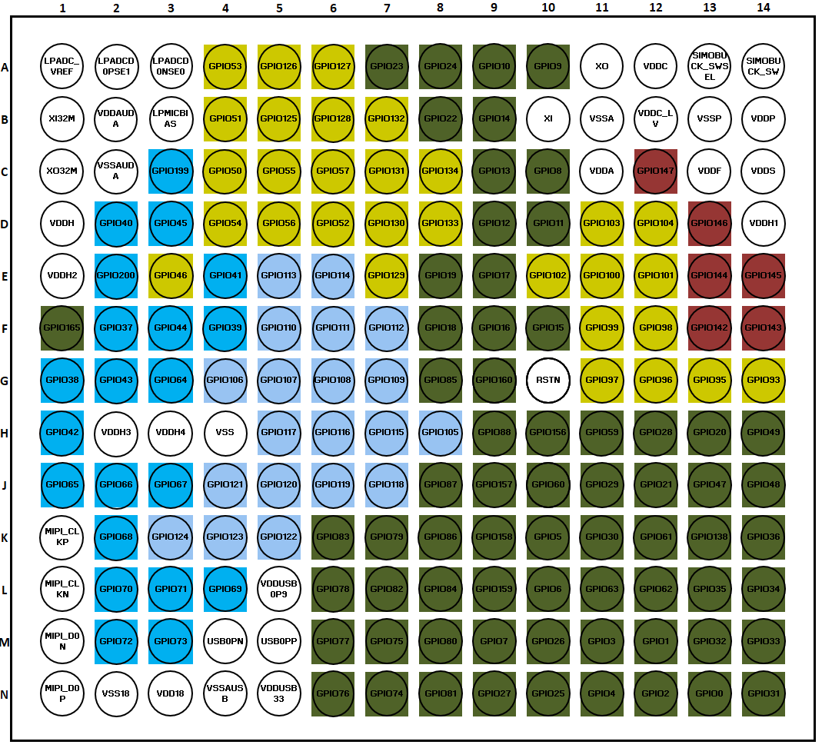

CSP package size
4.93mm x 4.69mm
0.35mm ball pitch

